Sheet1
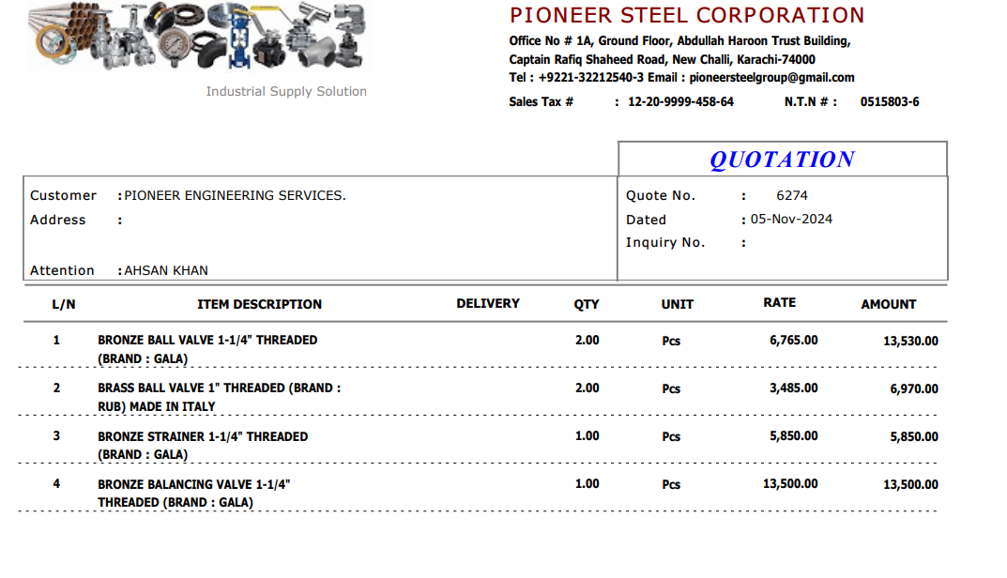

M/S Pioneer Steel |  |  |  |  | 5-Nov-24
PO # 129

Att: Mr. Sheeraz

PURCHASE ORDER

Purchase Order for the project (Deutsche Bank DMC Karachi)

S No. | D e s c r i p t i o n | Qty | Unit | Rate | Qty
1 | Bronze Ball Valve 1-1/4" (Threaded) Make GALA | 2 | Nos | 6,765 | 13,530
2 | Brass Ball Valve 1" (Threaded) Make Rub- Italy | 2 | Nos | 3,485 | 6,970
3 | Bronze Strainer 1-1/4" (Threaded) Make GALA | 1 | Nos | 5,850 | 5,850
4 | Bronze Balancing Valve 1-1/4" Threaded Make GALA | 1 | Nos | 13,500 | 13,500
 |  | TOTAL: |  |  | 39,850
Discount |  |  |  |  | 850
Total amount |  |  |  |  | 39,000

for PIONEER ENGINEERING SERVICES

